Ratings Info
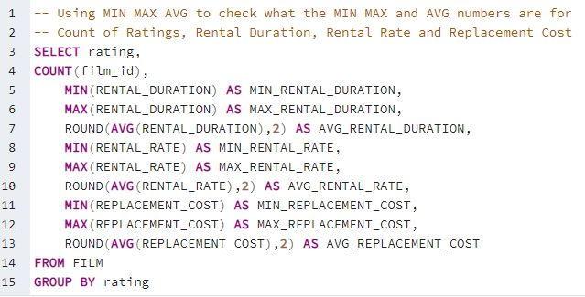
rating | count | min_rental_duration | max_rental_duration | avg_rental_duration | min_rental_rate | max_rental_rate | avg_rental_rate | min_replacement_cost | max_replacement_cost | avg_replacement_cost
R | 195 | 3 | 7 | 4.77 | 0.99 | 4.99 | 2.94 | 9.99 | 29.99 | 20.23
NC-17 | 210 | 3 | 7 | 5.14 | 0.99 | 4.99 | 2.97 | 9.99 | 29.99 | 20.14
G | 178 | 3 | 7 | 4.84 | 0.99 | 4.99 | 2.89 | 9.99 | 29.99 | 20.12
PG | 194 | 3 | 7 | 5.08 | 0.99 | 4.99 | 3.05 | 9.99 | 29.99 | 18.96
PG-13 | 223 | 3 | 7 | 5.05 | 0.99 | 4.99 | 3.03 | 9.99 | 29.99 | 20.4

Revenue by Genre
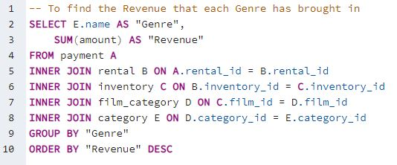
Genre | Revenue
Sports | 4892.19
Sci-Fi | 4336.01
Animation | 4245.31
Drama | 4118.46
Comedy | 4002.48
New | 3966.38
Action | 3951.84
Foreign | 3934.47
Games | 3922.18
Family | 3830.15
Documentary | 3749.65
Horror | 3401.27
Classics | 3353.38
Children | 3309.39
Travel | 3227.36
Music | 3071.52

Top 10 Countries by Cust Count
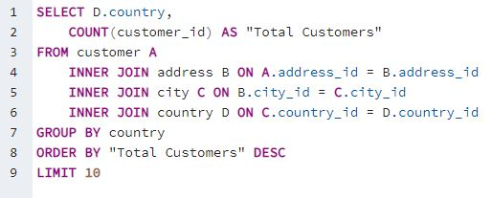
Country | Total Customers
India | 60
China | 53
United States | 36
Japan | 31
Mexico | 30
Brazil | 28
Russian Federation | 28
Philippines | 20
Turkey | 15
Indonesia | 14

Top 10 Cities
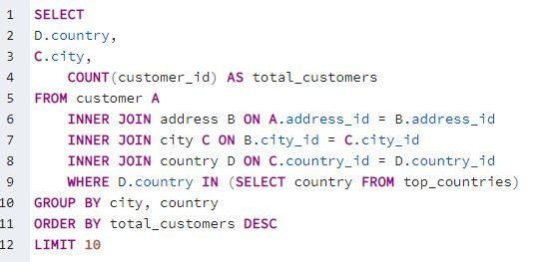
Country | City | Total Customers
United States | Aurora | 2
Mexico | Atlixco | 1
China | Xintai | 1
India | Adoni | 1
India | Dhule (Dhulia) | 1
Japan | Kurashiki | 1
China | Pingxiang | 1
Turkey | Sivas | 1
Mexico | Celaya | 1
Brazil | So Leopoldo | 1

Top 5 Customers
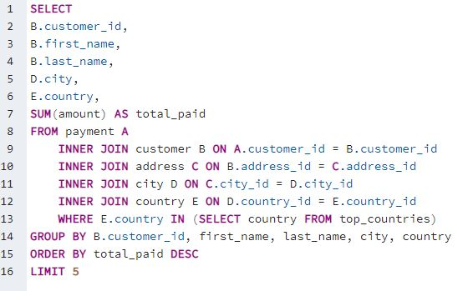
Customer ID | First Name | Last Name | City | Country | Total Paid
526 | Karl | Seal | Cape Coral | United States | 208.58 | Due to the Top 2-10 Cities, and even the Top 2-80 cities, having the same ammount of customers my query is looking at all the Cities in the Top 10 Countries.
178 | Marion | Snyder | Santa Brbara dOeste | Brazil | 194.61
181 | Ana | Bradley | Memphis | United States | 167.67
236 | Marcia | Dean | Tanza | Philippines | 166.61
403 | Mike | Way | Valparai | India | 162.67

